Block Shapes
 | TOP_LEFT | TOP_RIGHT | BOT_LEFT | BOT_RIGHT
SQUARE1
SQUARE2
SQUARE3 | 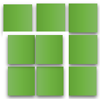
L2
L3 | 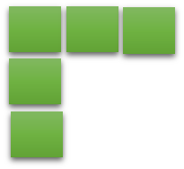 | 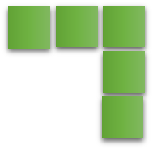 | 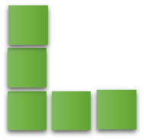 | 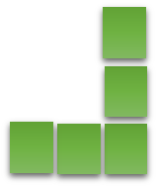
LINE2
LINE3
LINE4

